Wildcards
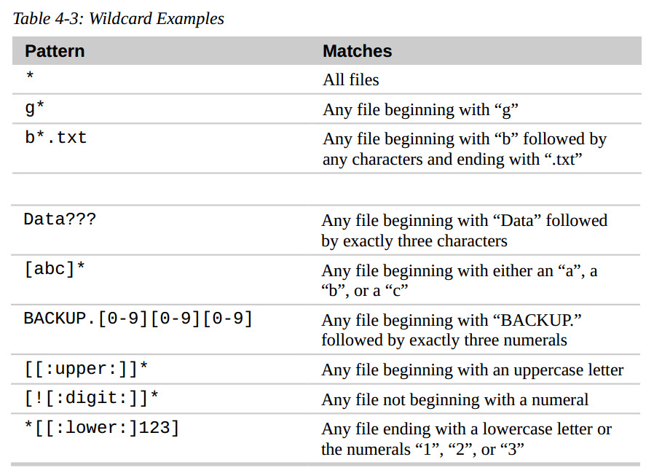
-----------------------------Wildcards-------------------------------

Since the shell uses filenames so much, it provides special characters to help you rapidly specify groups of filenames.
These special characters are called wildcards. Using wildcards (which is also known as globbing) allows you to select filenames based on patterns of characters.
- Usual using:
 | * | Matches any characters
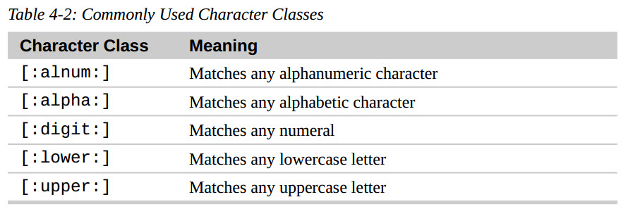
 | ? | Matches any single character
[characters] Matches any character that is a member of the set characters
[! characters] Matches any character that is not a member of the set characters
[[: class:]] Matches any character that is a member of the specified class

__________________________________________________________

cp
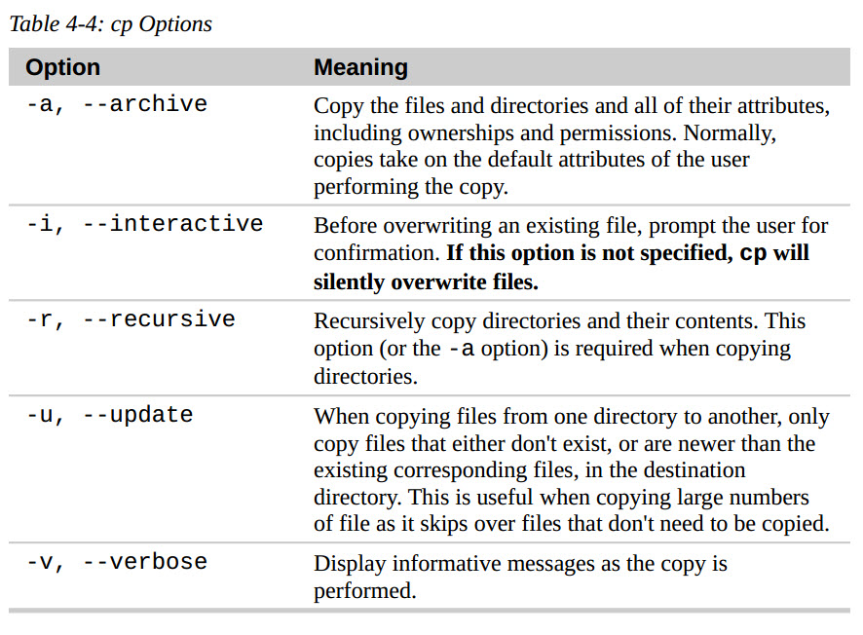
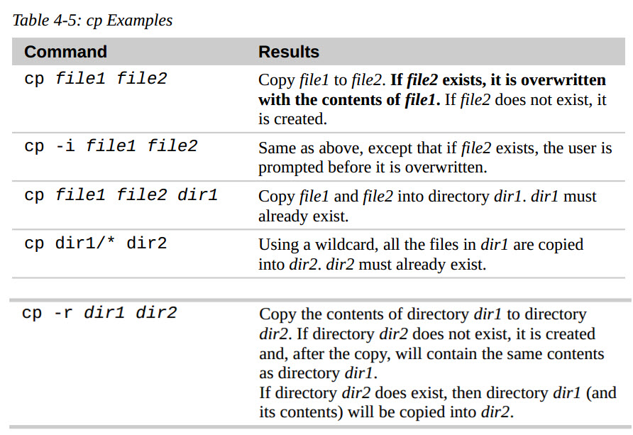
-----------------------------cp – Copy Files And Directories-------------------------------

The cp command copies files or directories. It can be used two different ways:

 | cp item1 item2 => copy the single file/directory “item1” to file/directory “item2”

 | cp item1 item2 directory => copy multiple items (either files or directories) into a directory

Example:
- Copy the single file/directory “item1” to directory “item2”
 | cp -r item1 directory (-r if item1 is folder)
- Copy multiple items (either files/directories) into a directory:
 | cp item1 item2 item3 directory ( directory must exist)
- Copy the file with interative question: -i

- Only copy the file that dont exist: -u

mv
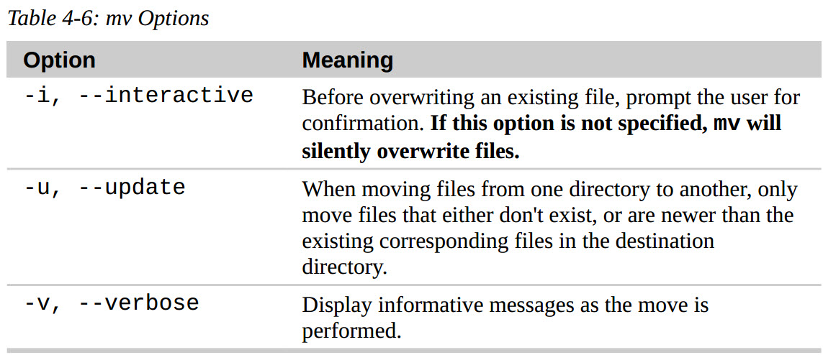
-----------------------------mv – Move And Rename Files-------------------------------

The mv command performs both file moving and file renaming, depending on how it is used

 | mv item1 item2 => to move or rename file/directory “item1” to “item2”

 | mv item1 item2 directory => to move one or more items from one directory to another.

Useful Options And Examples: mv shares many of the same options as cp:

 | mv file1 file2 : Move file1 to file2.
 |  | If file2 exists, it is overwritten with the contents of file1.
 |  | If file2 does not exist, it is created.
 |  | In either case, file1 ceases to exist.
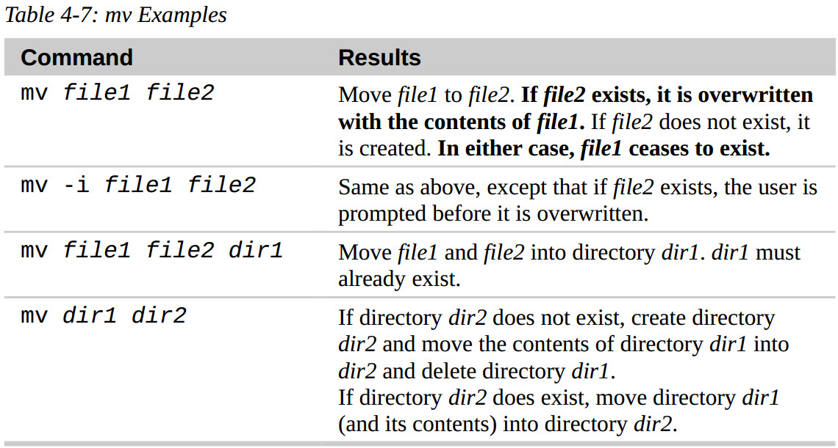
 | mv -i file1 file2 : Same as above,
 |  | except that if file2 exists, the user is prompted before it is overwritten.

 | mv file1 file2 dir1 : Move file1 and file2 into directory dir1.
 |  | dir1 must already exist.

 | mv dir1 dir2
 |  | If directory dir2 does not exist, create directory dir2
 |  |  | and move the contents of directory dir1 into dir2 and delete directory dir1.
 |  | If directory dir2 does exist, move directory dir1
 |  |  | (and its contents) into directory dir2

rm
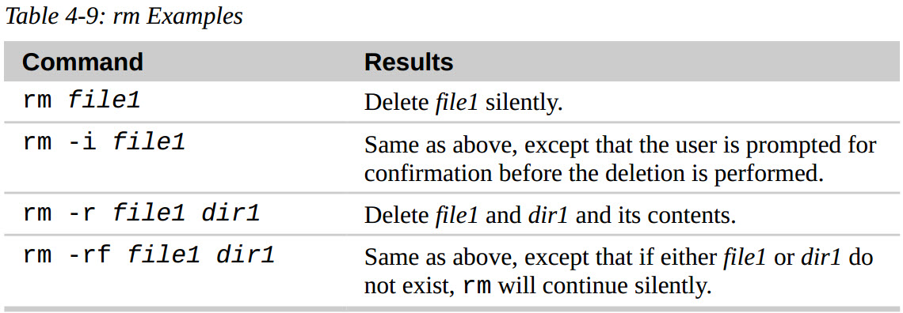
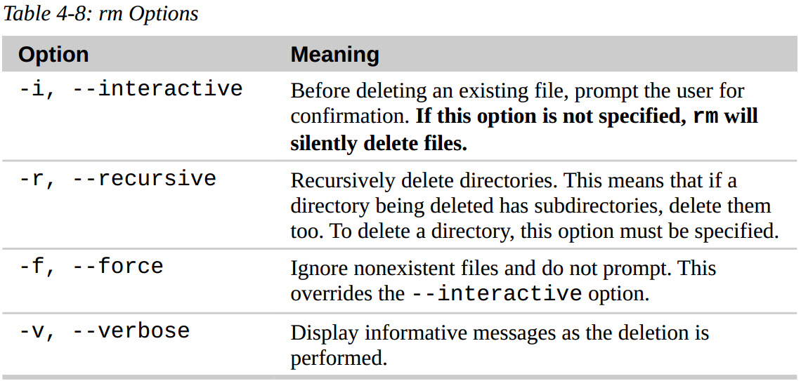
-----------------------------rm – Remove Files And Directories-------------------------------

The rm command is used to remove (delete) files and directories:
 | rm item1/dir item2

Example | rm file1 :Delete file1 silently.
 | rm -i file1 :Same as above, except that the user is prompted for confirmation before the deletion is performed.
 | rm -r file1 dir1 :Delete file1 and dir1 and its contents.
 | rm -rf file1 dir1 :Same as above, except that if either file1 or dir1 do not exist, rm will continue silently

**Be Careful With rm!
Unix-like operating systems such as Linux do not have an undelete command.
Once you delete something with rm, it's gone. Linux assumes you're smart and
you know what you're doing.

** Useful tips: try ls with * wildcard before use rm with * wildcard

Build PlayGround
Creating Directories |  |  | - These special notations are "." (dot) and ".." (dot dot).
 | [root@dath Downloads]# mkdir playground |  | =>> The "." notation refers to the working directory
 |  |  | The ".." notation refers to the working directory's parent directory
 | [root@dath Downloads]# ls
 | flex-2.6.0 flex-2.6.0.tar.bz2 playground

 | [root@dath Downloads]# cd playground/
 | [root@dath playground]# mkdir dir1 dir2

 | [root@dath playground]# ls
 | dir1 dir2

Copying Files
 | [root@dath playground]# cp /etc/passwd .
 | [root@dath playground]#
 | [root@dath playground]# ls -l
 | total 4
 | drwxr-xr-x 2 root root 6 Jun 19 16:37 dir1
 | drwxr-xr-x 2 root root 6 Jun 19 16:37 dir2
 | -rw-r--r-- 1 root root 2346 Jun 19 16:38 passwd
 |  |  |  |  | [root@dath playground]# ls -l fun
Hard Link 1
 | [root@dath playground]# cp -i /etc/passwd . |  |  |  | total 4
 | cp: overwrite ‘./passwd’? |  |  |  | -rw-r--r-- 1 root root 2346 Jun 19 16:38 fun

Hard Link 2
Moving And Renaming Files |  |  | Creating Hard Links
 | [root@dath playground]# mv passwd fun |  |  | [root@dath playground]# ln fun fun-hard
 | [root@dath playground]# ls |  |  | [root@dath playground]#
 | dir1 dir2 fun |  |  | [root@dath playground]# ls -lt
 |  |  |  | total 8
 | [root@dath playground]# mv fun dir1 |  |  | drwxr-xr-x 2 root root 6 Jun 19 16:57 dir1
 | [root@dath playground]# ls |  |  | drwxr-xr-x 2 root root 6 Jun 19 16:54 dir2
 | dir1 dir2 |  |  | -rw-r--r-- 2 root root 2346 Jun 19 16:38 fun
 |  |  |  | -rw-r--r-- 2 root root 2346 Jun 19 16:38 fun-hard
 | [root@dath playground]# mv dir1/fun dir2
Hard Link 3, 4
 | [root@dath playground]# ls dir1/
 | [root@dath playground]# ls dir2/ |  |  | [root@dath playground]# ln fun dir1/fun-hard
 | fun |  |  | [root@dath playground]# ln fun dir2/fun-hard
 |  |  |  | [root@dath playground]#
 | [root@dath playground]# mv dir2/fun . |  |  | [root@dath playground]# ls -l
 | [root@dath playground]# ls dir2 |  |  | total 8
 | [root@dath playground]# ls |  |  | drwxr-xr-x 2 root root 22 Jun 19 17:00 dir1
 | dir1 dir2 fun |  |  | drwxr-xr-x 2 root root 22 Jun 19 17:00 dir2
 |  |  |  | -rw-r--r-- 4 root root 2346 Jun 19 16:38 fun |  | => fun and fun-hard both contain a “4” => hard links that now exist for the file
 | [root@dath playground]# mv fun dir1 |  |  | -rw-r--r-- 4 root root 2346 Jun 19 16:38 fun-hard |  | => a file will aways have at least one link because the file's name is created by a link
 | [root@dath playground]# ls |  |  |  |  | => Is fun and fun-hard are, in fact, the same file?
 | dir1 dir2 |  |  |  |  |  | + Same size
 | [root@dath playground]# mv dir1 dir2
 | [root@dath playground]# ls -l |  |  | Hardlink: files are made up of two
 | total 0 |  |  | parts: the data part containing the file's contents and the name part which holds the file's name.
 | drwxr-xr-x 3 root root 18 Jun 19 16:50 dir2
 |  |  |  | The system assigns a chain of disk blocks to what is called an
 | [root@dath playground]# ls -l dir2 |  |  | inode, which is then associated with the name part
 | total 0
 | drwxr-xr-x 2 root root 17 Jun 19 16:50 dir1 |  |  | Each hard link therefore refers to a
 |  |  |  | specific inode containing the file's contents.
 | [root@dath playground]# ls -l dir2/dir1/
 | total 4 |  |  | [root@dath playground]# ls -li
 | -rw-r--r-- 1 root root 2346 Jun 19 16:38 fun |  |  | total 8
 | [root@dath playground]# |  |  | 100983173 drwxr-xr-x 2 root root 22 Jun 19 17:00 dir1
 |  |  |  | 279535 drwxr-xr-x 2 root root 22 Jun 19 17:00 dir2
 | [root@dath playground]# mv dir2/dir1 . |  |  | 67241724 -rw-r--r-- 4 root root 2346 Jun 19 16:38 fun |  |  | => fun and fun-hard share the same inode number, which confirms they are the same file
 | [root@dath playground]# |  |  | 67241724 -rw-r--r-- 4 root root 2346 Jun 19 16:38 fun-hard
 | [root@dath playground]# ls
 | dir1 dir2
 |  |  | Creating Symbolic Link
 | [root@dath playground]# mv dir1/fun .
 | [root@dath playground]# |  |  | Hard links cannot span/reach different physical devices and hard links cannot reference directories, only files
 | [root@dath playground]# ls
 | dir1 dir2 fun |  | Symbolic links are a special type of file that contains a text pointer to the target file or directory

 |  |  | [root@dath playground]# ln -s fun fun-sym |  | => link text-point: fun-sym -> fun
 |  |  | [root@dath playground]#
 |  |  | [root@dath playground]# ls -l
 |  |  | total 8
 |  |  | drwxr-xr-x 2 root root 22 Jun 19 17:00 dir1
 |  |  | drwxr-xr-x 2 root root 22 Jun 19 17:00 dir2
 |  |  | -rw-r--r-- 4 root root 2346 Jun 19 16:38 fun
 |  |  | -rw-r--r-- 4 root root 2346 Jun 19 16:38 fun-hard
 |  |  | lrwxrwxrwx 1 root root 3 Jun 19 17:16 fun-sym -> fun

 |  |  | [root@dath playground]# ln -s ../fun dir1/fun-sym |  |  |  | [root@dath playground]# ln -s ../fun dir2/fun-sym
 |  |  | [root@dath playground]# |  |  |  | [root@dath playground]#
 |  |  | [root@dath playground]# ls -l dir1/ |  |  |  | [root@dath playground]# ls -l dir2/
 |  |  | total 4 |  |  |  | total 4
 |  |  | -rw-r--r-- 4 root root 2346 Jun 19 16:38 fun-hard |  |  |  | -rw-r--r-- 4 root root 2346 Jun 19 16:38 fun-hard
 |  |  | lrwxrwxrwx 1 root root 6 Jun 19 17:18 fun-sym -> ../fun |  |  |  | lrwxrwxrwx 1 root root 6 Jun 19 17:19 fun-sym -> ../fun

 |  |  | [root@dath playground]# ln -s dir1 dir1-sym
 |  |  | [root@dath playground]#
 |  |  | [root@dath playground]# ls -l
 |  |  | total 8
 |  |  | drwxr-xr-x 2 root root 37 Jun 19 17:18 dir1
 |  |  | lrwxrwxrwx 1 root root 4 Jun 19 17:20 dir1-sym -> dir1
 |  |  | drwxr-xr-x 2 root root 37 Jun 19 17:19 dir2
 |  |  | -rw-r--r-- 4 root root 2346 Jun 19 16:38 fun
 |  |  | -rw-r--r-- 4 root root 2346 Jun 19 16:38 fun-hard
 |  |  | lrwxrwxrwx 1 root root 3 Jun 19 17:16 fun-sym -> fun

Removing Files And Directories

 | [root@dath playground]# rm fun-hard
 | rm: remove regular file ‘fun-hard’? y
 | [root@dath playground]#
 | [root@dath playground]# ls -l
 | total 4
 | drwxr-xr-x 2 root root 37 Jun 19 17:18 dir1
 | lrwxrwxrwx 1 root root 4 Jun 19 17:20 dir1-sym -> dir1
 | drwxr-xr-x 2 root root 37 Jun 19 17:19 dir2
 | -rw-r--r-- 3 root root 2346 Jun 19 16:38 fun
 | lrwxrwxrwx 1 root root 3 Jun 19 17:16 fun-sym -> fun | That worked as expected. The file fun-hard is gone and the link count shown for fun
 |  | is reduced from four to three

 | [root@dath playground]# rm -i fun
 | rm: remove regular file ‘fun’? y
 | [root@dath playground]#
 | [root@dath playground]# ls -l
 | total 0
 | drwxr-xr-x 2 root root 37 Jun 19 17:18 dir1
 | lrwxrwxrwx 1 root root 4 Jun 19 17:20 dir1-sym -> dir1
 | drwxr-xr-x 2 root root 37 Jun 19 17:19 dir2
 | lrwxrwxrwx 1 root root 3 Jun 19 17:16 fun-sym -> fun | Since it's a symbolic link pointing to a now-nonexistent file, the link is broken

 | [root@dath playground]# less fun-sym
 | fun-sym: No such file or directory

 | Let's clean up a little. We'll delete the symbolic links:
 | [me@linuxbox playground]$ rm fun-sym dir1-sym
 | [me@linuxbox playground]$ ls -l
 | total 8 | One thing to remember about symbolic links is that most file operations are carried out
 | drwxrwxr-x 2 me me 4096 2016-01-15 15:17 dir1 | on the link's target, not the link itself. rm is an exception. When you delete a link, it is the
 | drwxrwxr-x 2 me me 4096 2016-01-15 15:17 dir2 | link that is deleted, not the target.

